Planilha1
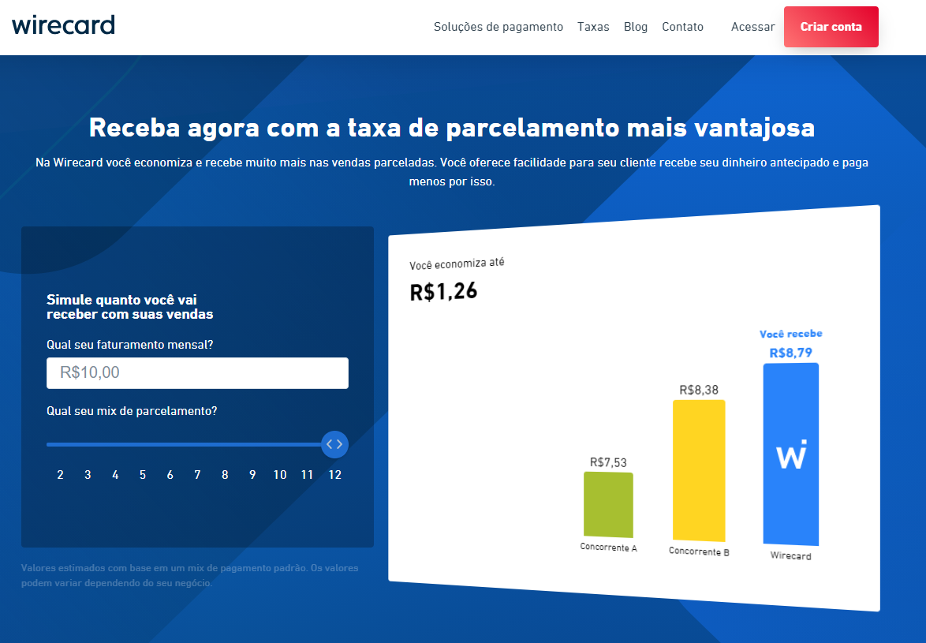
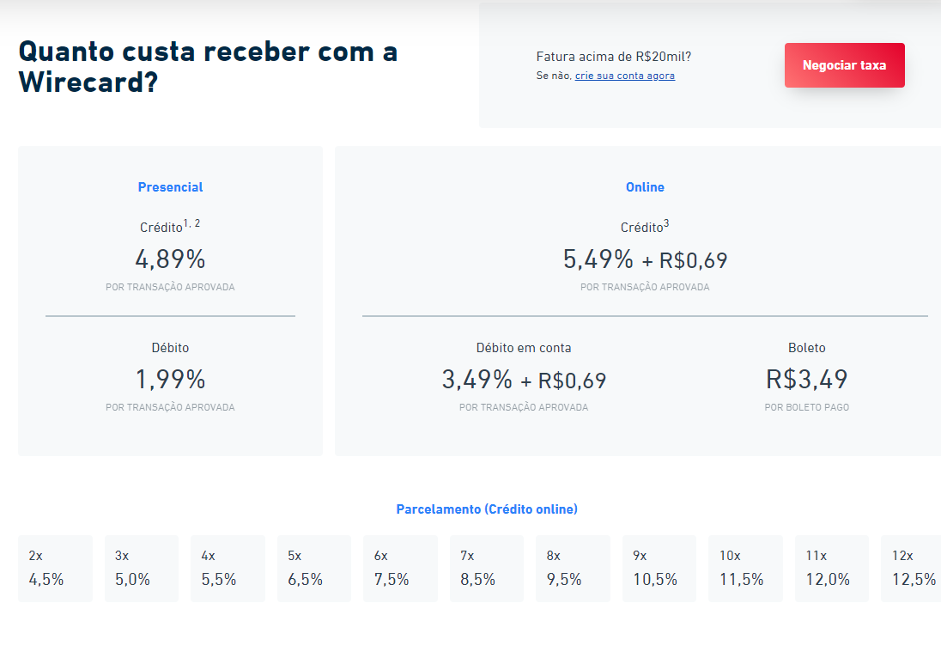
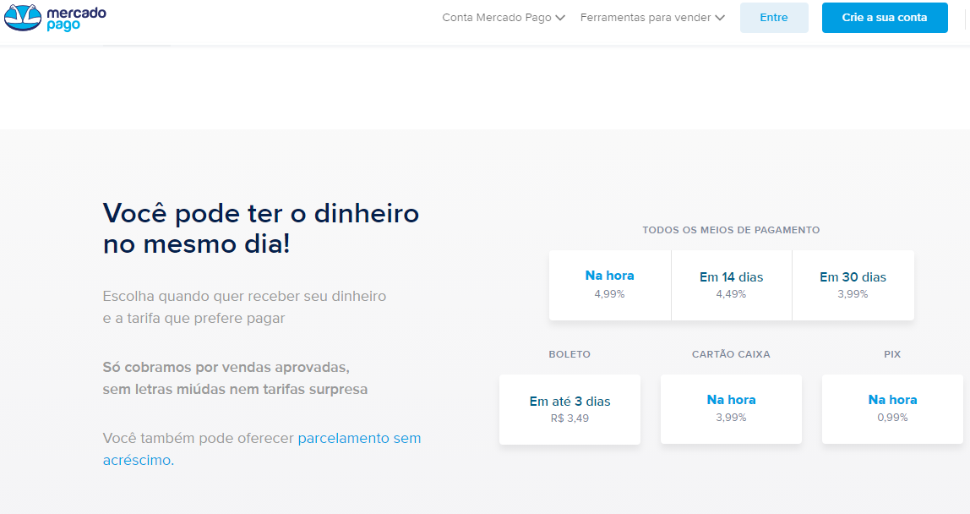
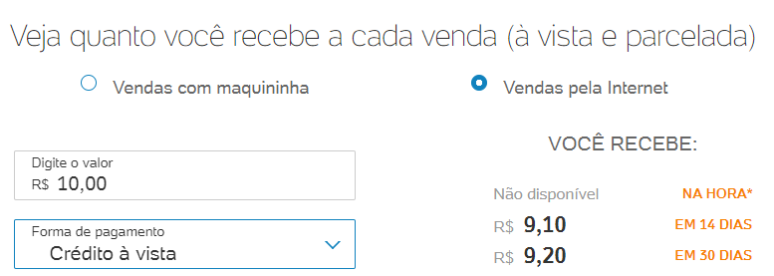
Paypal |  | Pag Seguro
R$ 10.00
4.79% | taxa
R$ 0.48
R$ 0.60 | tarifa fixa
R$ 1.08 | total paypal
R$ 8.92

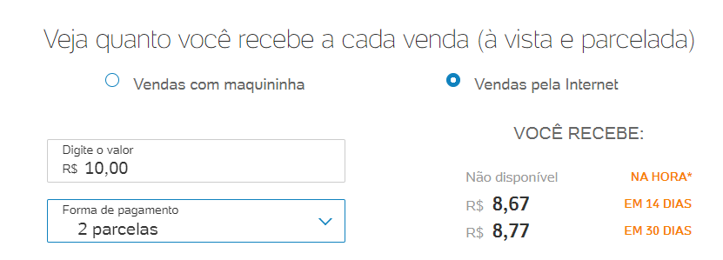
Parcelado
R$ 10.00
4.79% | taxa
R$ 0.48
R$ 0.60 | tarifa fixa
R$ 1.08
1.92% | adicional parcelado
R$ 1.10
R$ 8.90

